MR4
Template EU MR4 - Comparison of VaR estimates with gains/losses | Index
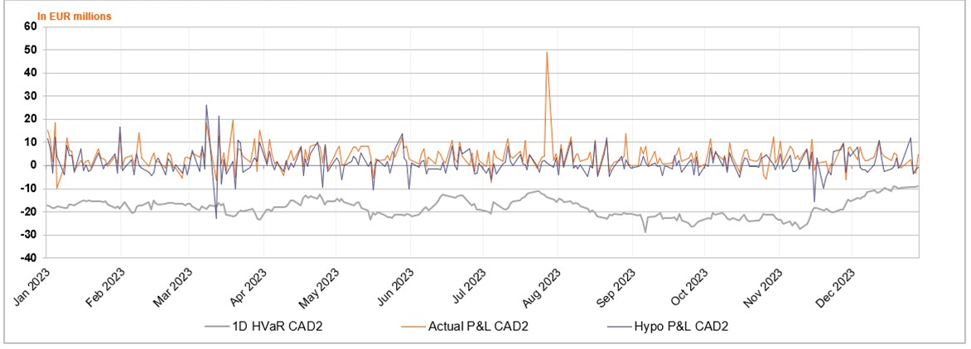

Accompanying narrative:
On an overall FM ING level, during the last one year (ending with 2Q2021) there are 0 outliers for actual P&L and 0 outliers for hypothetical P&L.

